Dissassembly
PT SAPTAINDRA SEJATI
PLANT REBUILD CENTER

DISASSEMBLY CHECK SHEET |  |  |  |  |  | WO NUMBER |  |  |  |  |  | DOCUMENT NO
FRONT SUSPENSION |  |  |  |  |  | COMP.MODEL |  |  |  |  |  | PUBLIC DATE
 |  |  |  |  |  | COMP.S/N |  |  |  |  |  | REVISION NO
HD785-7 |  |  |  |  |  | UNIT MODEL |  |  |  |  |  | PAGE

PROCESS |  | START |  |  |  |  |  | DISASSEMBLY BY
 |  | FINISH

NO | PART TO REMOVE OR INSPECT |  | CONDITION TOBE INSPECTED |  |  |  |  | REUSE | SALVAGE | REPAIR | SKETCH DRAWING OR PHOTHOES

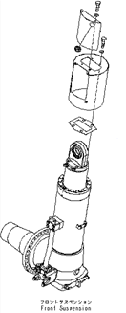
1 | Pressure Sensor, Valve assembly, and Cover
 |  |  | • | Setting Front Suspension to stand.
3
 |  |  |  |  | IMPORTANT
 |  |  |  | Prepare to stable stand that will prevent the front suspension from falling over, the set the front suspension assembly on the stand and secure it in position.

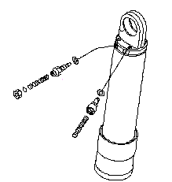
1
 |  |  | • | Remove Pressure sensor (1) and valve assembly (2) from rod cylinder.

 |  |  | • | Remove mounting bolts, then lift off cover (3).
2

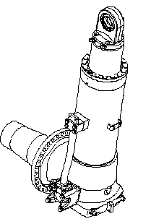
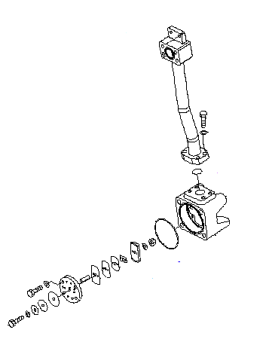
2 | Tube and Dumping Valve assembly
 |  |  | • | Loosen mounting bolts tube (4) securely to drain oil from cylinder suspension.

 |  |  |  |  | Cylinder : 16.5 l

 |  |  |  | Put an oil pan under the cylinder to receive the oil.

 |  |  | • | Remove mounting bolts (4) and remove tube (5).
4
5
 |  |  | • | Remove dumping valve assembly (6).
 |  |  |  | (Check plate for damage,crack and wear)
6

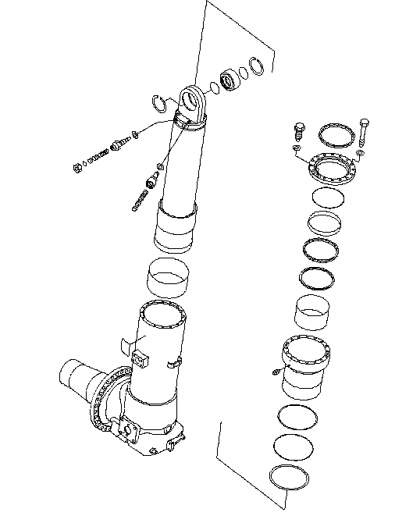
9
3 | Retainer
 |  |  | • | Remove 15 mounting bolts (7).

7
 |  |  | • | Remove retainer (8).

8
 |  |  | • | Remove dust seal (9), O-Ring (10), and bushing (11) from retainer.
 |  |  |  | (Check retainer for damage and wear)
10

11

15
4 | Rod
 |  |  | • | Remove rod (12) with flange (13) from cylinder (14).

 |  |  | • | Pull out flange (13) from rod (12).

 |  |  | • | Remove bushing (15).
 |  |  |  | (Check eye rod for damage, scratch, and wear)
12
 |  |  | • | Remove wear ring (16) and stopper (17) from rod (12).
 |  |  |  | (Check rod for damage, scratch, and wear)

16
13

14
17

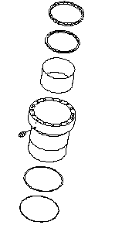
18
5 | Flange
 |  |  | • | Remove U-Packing (18).

19
 |  |  | • | Remove Ring (19).

20
 |  |  | • | Remove bushing (20).

 |  |  | • | Remove O-Ring (21) and Ring (22).
 |  |  |  | (Check Flange assembly for damage, scratch, and wear)

21

22

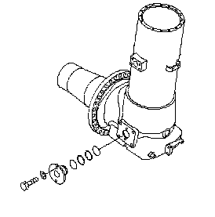
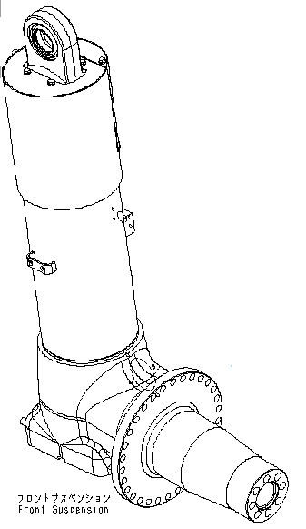
6 | Cylinder and Spindle
 |  |  | • | Remove mounting bolts (23).

24
 |  |  | • | Pull out tube (24) from the cylinder.
 |  |  |  | (Check cylinder for damage, scratch, and wear)
25
 |  |  | • | Check Spindle (25) for damage, scratch, and wear.
23

NOTE:

 | DISSASSEMBLY BY |  |  |  |  |  | INSPECTED BY |  |  |  |  |  | APPROVED BY

 | MECHANIC |  |  |  |  |  | QA(QUALITY ASSURANCE) |  |  |  |  |  | GL/SPV PRODUCTION

Assembly
PT SAPTAINDRA SEJATI
PLANT REBUILD CENTER

ASSEMBLY CHECK SHEET |  |  |  |  |  |  | WO NUMBER |  |  |  |  |  |  |  | DOCUMENT NO
FRONT SUSPENSION |  |  |  |  |  |  | COMP.MODEL |  |  |  |  |  |  |  | PUBLIC DATE
 |  |  |  |  |  |  | COMP.S/N |  |  |  |  |  |  |  | REVISION NO
HD785-7 |  |  |  |  |  |  | UNIT MODEL |  |  |  |  |  |  |  | PAGE

PROCESS |  |  | START |  |  |  |  |  |  |  |  | ASSEMBLY BY
 |  |  | FINISH

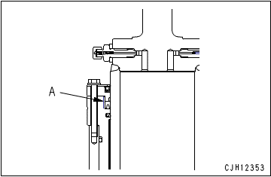
NO | PART TO INSTALL OR FIT |  |  | CONDITION TOBE ASSAMBLY |  |  |  |  |  |  | SPECIFICATION | SIGNATURE |  | SKETCH DRAWING OR PHOTHOES
 |  |  |  |  |  |  |  |  |  |  |  | MECH | GL/QA
1 | Flange
 |  |  |  |  |  | IMPORTANT
 |  |  |  |  | Check each part for dirt, flaw, etc. and apply engine oil to the sliding surfaces before assembling.
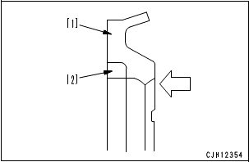

 |  |  |  | • | Install bushing (20). |  |  |  |  |  | Press fit

 |  |  |  | • | Install Ring (19). The arrow indicates the direction of the pressure. (See Picture)
18

 |  |  |  |  | Buffer ring (19) is divided into 2 pieces. Set the round side of [2] (black) into [1] (blue).
19
20

 |  |  |  | • | Install U-Packing (18).

 |  |  |  |  | Check that there are 4 projections on the top of the inside lip.
21

 |  |  |  |  | Apply rust-preventive oil to part (A) indicated with 2-dot chain lines on the periphery of the U-packing
22

 |  |  |  | • | Install Ring (22) and O-Ring (21).

15
2 | Rod
 |  |  |  | • | Install bushing (15). |  |  |  |  |  | Press fit

 |  |  |  |  |  | IMPORTANT
 |  |  |  |  | Make sure groove snapring seen and can be installed.

 |  |  |  | • | Install stopper (17).

16
 |  |  |  | • | Install wear ring (16).
 |  |  |  |  |  | Outside of wear ring : Engine oil (EO10)

17

9
3 | Retainer
 |  |  |  | • | Install bushing (11). |  |  |  |  |  | Press fit
 |  |  |  |  |  | Periphery of seal : Adhesive (LT-2)
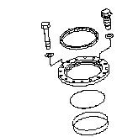
 |  |  |  | • | Install dust seal (9)

7
 |  |  |  | • | Install O-Ring (10)

11
10

4 | Suspension assembly
 |  |  |  | • | Install flange (13) to the rod (12).

 |  |  |  | • | Install rod assembly (12) to the cylinder (14).

7
8
 |  |  |  | • | Install retainer (8).
 |  |  |  |  |  | Mating faces of flange and retainer :
 |  |  |  |  |  |  |  | Gasket sealant (LG-6)

12
 |  |  |  |  | Apply the gasket sealant evenly to hatched part (B) and apply it thinly to U-packing (C) so that it will not be projected.

13
 |  |  |  | • | Install mounting bolt (7) to the cylinder, then tighten with a torque wrench.

 |  |  |  |  |  | Mounting bolts : |  | Act: |  | Kgm | 18 ± 1.5 Kgm

14

5 | Tube and Dumping Valve assembly
 |  |  |  | • | Assembly dumping valve (6), then install to the tube (5).

 |  |  |  |  |  | Mounting bolts : |  | Act: |  | Kgm | 6 - 7.5 Kgm
24
 |  |  |  | • | Install tube (24) to the cylinder (14), then tighten mounting bolts (23) with a torque wrench.

 |  |  |  |  |  | Mounting bolts : |  | Act: |  | Kgm | 10 - 12.5 Kgm
23
 |  |  |  | • | Install tube assembly (5) to the cylinder (14).

 |  |  |  | • | Install mounting bolts tube (4).
 |  |  |  |  |  | Mounting bolts body (lower):
 |  |  |  |  |  |  |  | Act: |  | Kgm | 23.5 - 29.5 Kgm
6
 |  |  |  |  |  | Mounting bolts tube (upper) :
 |  |  |  |  |  |  |  | Act: |  | Kgm | 10 - 12.5 Kgm

4

5

6 | Pressure Sensor, Valve assembly, and Cover
 |  |  |  | • | Install cover (3), and then install mounting bolts.
3
 |  |  |  | • | Install valve assembly (2) and pressure sensor (1) to the rod cylinder.

 |  |  |  |  |  | Valve |  | Act: |  | Kgm | 4 – 5 kgm

1

2

 | ASSEMBLY BY |  |  |  |  |  |  |  | INSPECTED BY |  |  |  |  |  |  | APPROVED BY

 |  | MECHANIC |  |  |  |  |  |  | QA(QUALITY ASSURANCE) |  |  |  |  |  |  | GL/SPV PRODUCTION

Measuring
PT SAPTAINDRA SEJATI
PLANT REBUILD CENTER

MEASUREMENT CHECK SHEET |  |  |  |  |  | WO NUMBER |  |  |  |  |  |  | DOCUMENT NO
FRONT SUSPENSION |  |  |  |  |  | COMP.MODEL |  |  |  |  |  |  | PUBLIC DATE
 |  |  |  |  |  | COMP.S/N |  |  |  |  |  |  | REVISION NO
HD785-7 |  |  |  |  |  | UNIT MODEL |  |  |  |  |  |  | PAGE

PROCESS |  |  | START |  |  |  |  |  | MEASUREMENT BY
 |  |  | FINISH

NO | PART TO MEASURING OR INSPECT |  |  | STANDARD VALUE TABLE

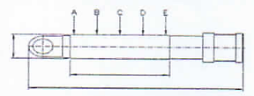
1 | Rod

 |  |  |  |  | Rod Cylinder
 |  |  |  |  | Items Check |  | Unit | Gauge No. |  | Standard |  |  |  | Actual Data |  |  |  |  |  | Result
 |  |  |  |  |  |  |  |  |  | Nominal | Min | Max |  | A | B |  | C | D | E
 |  |  |  |  | Out Diameter | x-x' | mm |  |  | Ø210 (f7) | - 0.05 | - 0.10
 |  |  |  |  |  | y-y' | mm
 |  |  |  |  | Chrome Thickness |  | µm |  |  |  | 30 | 250
 |  |  |  |  | Chrome Hardness |  | Hrc |  |  |  | 50 | 65
 |  |  |  |  | Round Out |  | mm |  |  |  | Max 0.5
 |  |  |  |  | Bending |  | mm/M
 |  |  |  |  | Roughness |  | µm |  |  |  | Max 0.2
 |  |  |  |  | L. Rod |  | mm
 |  |  |  |  | L. Chrome |  | mm
 |  |  |  |  | L. Center |  | mm
 |  |  |  |  | L. Total |  | mm
 |  |  |  |  | Visual |  | No Scratch, No Pinhole
 |  |  |  |  | Recommendation
 |  |  |  |  | Note : Result = Good/No Good

2 | Cylinder
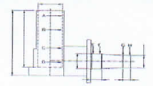

 |  |  |  |  | Tube Cylinder
 |  |  |  |  | Items Check |  | Unit | Gauge No. |  | Standard |  |  |  | Actual Data |  |  |  |  |  | Result
 |  |  |  |  |  |  |  |  |  | Nominal | Min | Max |  | A | B |  | C | D | E
 |  |  |  |  | Inside Diameter | x-x' | mm |  |  | Ø250 (H7) | 0.00 | 0.19
 |  |  |  |  |  | y-y' | mm
 |  |  |  |  | Roughness |  | µm |  |  |  | Max 0.3
 |  |  |  |  | OD Tube |  | mm
 |  |  |  |  | L. Tube |  | mm
 |  |  |  |  | L. ID Tube |  | mm
 |  |  |  |  | L. Center |  | mm
 |  |  |  |  | L. Total |  | mm
 |  |  |  |  | Visual |  | No Scratch, No Pinhole
 |  |  |  |  | Recommendation
 |  |  |  |  | Note : Result = Good/No Good

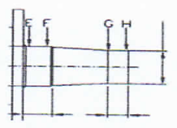
3 | Spindle

 |  |  |  |  | Area Spray I
 |  |  |  |  | Items Check |  | Unit | Gauge No. |  | Standard |  |  |  | Actual Data |  |  |  |  | Result
 |  |  |  |  |  |  |  |  |  | Nominal | Min | Max |  | E |  |  | F
 |  |  |  |  | Inside Diameter | x-x' | mm |  |  | Ø220 | 0.00 | - 0.03
 |  |  |  |  |  | y-y' | mm
 |  |  |  |  | L. Spray |  | mm
 |  |  |  |  | L. Total |  | mm
 |  |  |  |  | Visual |  | No Scratch, No Pinhole
 |  |  |  |  | Recommendation
 |  |  |  |  | Note : Result = Good/No Good

 |  |  |  |  | Area Spray II
 |  |  |  |  | Items Check |  | Unit | Gauge No. |  | Standard |  |  |  | Actual Data |  |  |  |  | Result
 |  |  |  |  |  |  |  |  |  | Nominal | Min | Max |  | E |  |  | F
 |  |  |  |  | Inside Diameter | x-x' | mm |  |  | Ø180 | 0.00 | - 0.03
 |  |  |  |  |  | y-y' | mm
 |  |  |  |  | L. Spray |  | mm
 |  |  |  |  | L. Total |  | mm
 |  |  |  |  | Visual |  | No Scratch, No Pinhole
 |  |  |  |  | Recommendation
 |  |  |  |  | Note : Result = Good/No Good

 | NOTE

 |  | MECHANIC |  |  |  |  |  | QA(QUALITY ASSURANCE) |  |  |  |  |  |  |  | GROUP LEADER (GL)

